Introduction
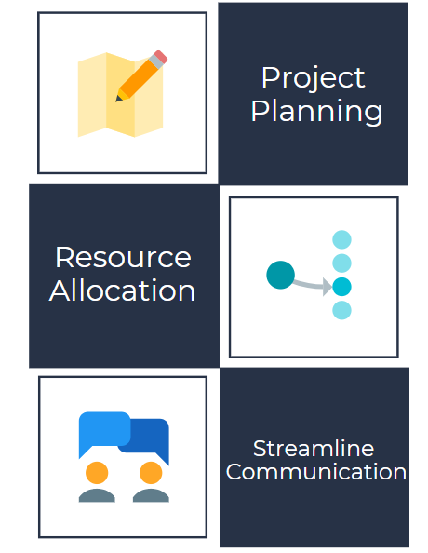
Engagement map: Introduction
Version 2.1
Overview
An engagement map is an essential planning tool for your data-driven risk-based audits. You can use it to align on timelines, training, and resources such as client data requirements. Additionally, an engagement map can help identify libraries to set up based on industry, common financial account groupings, and custom ratios.
Engagement maps ensure you have the right information (such as ERP guides and data requirements) at the right time.
Finally, an engagement map helps our Customer Success Team establish a clear line of communication with the appropriate audit managers for specific engagements.
What's next?
Fill out the Engagement map tab.
Once complete, email the document back to your Customer Success Manager at MindBridge.

